Sheet1
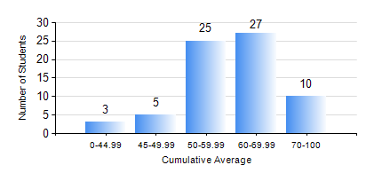
 |  |  | KWAME NKRUMAH UNIVERSITY OF SCIENCE AND TECHNOLOGY, KUMASI Department of Mechanical Engineering

 |  |  | BSC. INDUSTRIAL ENG.

 |  |  | COMPREHENSIVE RECORD OF EXAMINATION RESULTS

 |  |  | RESULTS OF YEAR 3 FIRST SEMESTER, 2024/2025 ACADEMIC YEAR

 | Sn | Course Code |  | Course Name | Credit Hours | Min. Mark | Max. Mark | Avg. Mark | Std. Dev. | No. Passed | No. Trailed | No. (Df) | No. (I) | No. (I*) | No. Tagged(I,I*,Df) | Total
 | 0. |  |  |  |  |  |  | 0 | 0 | 0 | 0 | 0 | 0 | 0 | 0 | 1
 | 1. | IE 351 |  | OPERATIONS RESEARCH I | 2 | 5 | 95 | 56 | 20.27 | 58 | 11 | 0 | 0 | 0 | 0 | 69
 | 2. | IE 355 |  | DISCRETE EVENT SIMULATION | 3 | 10 | 95 | 70 | 18.06 | 66 | 3 | 0 | 0 | 0 | 0 | 69
 | 3. | IE 357 |  | PROJECT MANAGEMENT | 2 | 31 | 78 | 61 | 9.87 | 68 | 1 | 0 | 0 | 0 | 0 | 69
 | 4. | IE 363 |  | PROCESS PLANNING SYSTEMS | 2 | 12 | 92 | 63 | 18.05 | 64 | 5 | 0 | 0 | 0 | 0 | 69
 | 5. | IE 365 |  | ENGINEERING WORK STUDY | 2 | 40 | 96 | 67 | 12.57 | 69 | 0 | 0 | 0 | 0 | 0 | 69
 | 6. | IE 367 |  | ETHICS, CONTRACT & PRODUCT LIABILITY LAW | 2 | 40 | 81 | 62 | 10.4 | 69 | 0 | 0 | 0 | 0 | 0 | 69
 | 7. | MATH 351 |  | NUMERICAL ANALYSIS | 2 | 21 | 84 | 57 | 12.16 | 66 | 3 | 0 | 0 | 0 | 0 | 69
 | 8. | STAT 253 |  | PROBABILITY AND STATISTICS | 2 | 28 | 78 | 49 | 11.31 | 60 | 9 | 0 | 0 | 0 | 0 | 69

